1. Title Page
Grocery Basket Analysis

Date: April 23rd, 2022
Analyst Name: Kathleen Guzic

Contents:
Population Flow
Consistency checks
Wrangling steps
Column derivations
Visualizations
Recommendations

Data Citation:
“The Instacart Online Grocery Shopping Dataset 2017”, Accessed from https://www.instacart.com/datasets/grocery-shopping-2017 on March 13th, 2022.

2. Population Flow
Title page

Population flow

Exclusion flag
Condition: max_price < 100
Obervations to be removed: evaL_set, first_name, last_name
Dropped not_active clients
Final total count of order_products_all: 32404859, 31

Orders_products_combined
Orders_products_merged
Orders_products_all

Total: 32434489
Total: 32434489
Total: 32404859, 31

3. Consistency checks
 |  |  |  | Title page
Consistency checks

Dataset | Missing values | Missing values treatment | Duplicates
orders | 206209 | Not missing - no prior order / renamed as: first_time_order

products | 16 | removed | 5 duplicates were removed

orders_products_prior |  |  | None

customers

customer_data | 11259 | changed to: not provided

ords_prod_cust_merge | None | None | None

days_since_prior_order crosstab

4. Wrangling steps
 |  |  |  | Title page
Wrangling steps

Columns dropped | Columns renamed | Columns' type changed | Comment/Reason
eval_set (from orders.csv) |  |  | not nescessary, all same value
 | order_hour_of_day to: time_of_order

 |  | order_id to str | number just assigned as an ID
 |  | user_id to str | number just assigned as an ID
 |  | df_dep transposed wide to short
 | customer_data columns changed for consistency
first_name (from ords_prods_cust_merge) |  |  | removed due to PII data
last_name (from ords_prods_cust_merge) |  |  | removed due to PII data
 | orders_day_of_the_week number changed to
 | actual days of the week

 | department_id number changed to name

Security implications
I removed the first_name and last_name columns due to it being PII data

5. Column derivations
 |  |  |  | Title page

Column derivations and aggregations

Dataset | New column | Column/s it was derived from | Conditions |  | spending_flag
ords_prods_merged | price_label | price | High-range, Mid-Range, or Low-range product based on price |  | Low spender 31770614
 |  |  |  |  | High spender 634245
ords_prods_merged | busiest_day | ords_day_of_week | Busiest, Least busy, Normal busy based on how many orders based on day of the week
 |  |  |  |  | loyalty_flag
ords_prods_merged | busiest_days | ords_day_of_week | TOP & BOTTOM 2 - Busiest, Least busy, Normal busy based on how many orders based on day of the week |  | Regular customer 15876776
 |  |  |  |  | Loyal Customer 10284093
ords_prods_merged | busiest_period_of_day | hour_of_ord | Busiest, Least busiest & Average busiest times orders occur |  | New customer 6243990

ords_prods_merged | max_order | order | ranks customer's max orders |  | activity_flag
 |  |  |  |  | Active 30964564
ords_prods_merged | loyalty_flag | max_order | flag based on orders of customers - loyal, regular, new |  | Not Active 1440295

ords_prods_merged | avg_price | prices | lists customer's avg price |  | frequency_flag
 |  |  |  |  | Frequent customer 20514478
ords_prods_merged | spending_flag | avg_price | assigns flag based on avg price - high/low spending |  | Regular customer 7269731
 |  |  |  |  | Non-frequent customer 4620650
ords_prods_merged | frequency_customer | days_since_prior_order | median of days since customer's most recent order

ords_prods_merged | frequency_flag | frequency_customer | assigns flag based on how recent a customer made a purchase - Non, regular, frequent

ords_prods_cust_merge | price_range_loc | prices | assigns a price range to each product

ords_prods_cust_merge | region | state | states assigned a region

ords_prods_cust_merge | generation | age | age assigned a generation

ords_prods_cust_merge | economic_class | income | income assigned an economic class

ords_prods_cust_merge | parent_status | dependants | parent status assigned if customer has a dependant

ords_prods_cust_merge | activity_flag | max_order | max order less than 5, removed

6. Visualisations
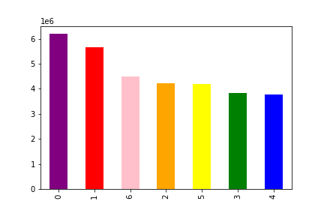
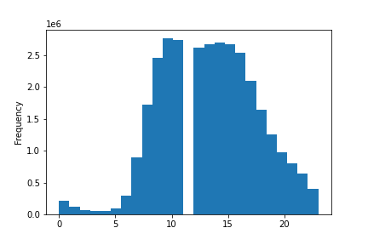
1. The Instacart sales team needs to know what the busiest days of the week and hours of the day are (i.e. the days and times with the most orders) in order to schedule ads at times when there are fewer orders.
 | Orders by day of the week |  |  |  |  |  |  | Orders by time of the day - 0-24 hour cycle

 | purple = Saturday |  | red = Sunday |  | pink = Monday
 | orange = Tuesday |  | yellow = Wednesday |  | green = Thursday | blue = Friday

2. They also want to know whether there are particular times of the day when people spend the most money, as this might inform the type of products they advertise at these times.

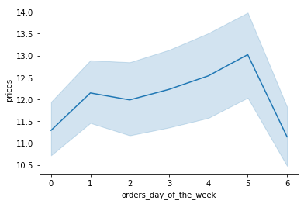
 | Average price by day of the week
 |  |  |  |  |  |  | 0 = Saturday
 |  |  |  |  |  |  | 1 = Sunday
 |  |  |  |  |  |  | 2 = Monday
 |  |  |  |  |  |  | 3 = Tuesday
 |  |  |  |  |  |  | 4 = Wednesday
 |  |  |  |  |  |  | 5 = Thursday
 |  |  |  |  |  |  | 6 = Friday

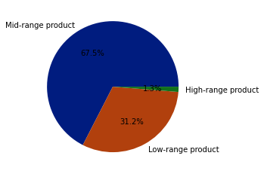
3. Instacart has a lot of products with different price tags. Marketing and sales want to use simpler price range groupings to help direct their efforts.
We created price range groups for the products.
<= 5: low range product
>5 & <=15: mid-range product
>15: high range products

Mid-range product 20891771
Low-range product 9674840
High-range product 397953

4. Are there certain types of products that are more popular than others? The marketing and sales teams want to know which departments have the highest frequency of product orders.

 | Product | Frequency |  | Department Name | Frequency | The top 5 products are: banans, bag of organic banans, organic strawberries, organic baby spinach, organic haas avocado
 | Banana | 2217199 |  | Produce | 72953009
 | Bag of Organic Bananas | 1870434 |  | Dairy Eggs | 38851163 | The top 3 departments are: produce, dairy eggs and snacks
 | Organic Strawberries | 1858848 |  | Snacks | 25449464
 | Organic Baby Spinach | 1728445 |  | Frozen | 19121039
 | Organic Hass Avocado | 1403568 |  | Beverages | 17973374
 | Large Lemon | 1159176 |  | Pantry | 17125625
 | Limes | 1158234 |  | Canned Goods | 10089479
 | Organic Avocado | 1086893 |  | Bakery | 9079169
 | Strawberries | 972762 |  | Deli | 8742522
 | Organic Raspberries | 959304 |  | Dry Goods Pasta | 8412965
 | Organic Yellow Onion | 932213 |  | Breakfast | 6134484
 | Organic Garlic | 928267 |  | Household | 5965098
 | Organic Zucchini | 907898 |  | Meat Seafood | 5766976
 | Organic Blueberries | 786214 |  | Babies | 4341083
 | Organic Grape Tomatoes | 765636 |  | Personal Care | 3725383
 | Organic Whole Milk | 726248 |  | International | 2548398
 | Cucumber Kirby | 711565 |  | Alcohol | 787433
 | Organic Lemon | 683819 |  | Pets | 719943
 | Organic Cucumber | 667050 |  | Missing | 605403
 | Seedless Red Grapes | 653110 |  | Other | 285030
 | Organic Baby Carrots | 643534 |  | Bulk | 280800
 | Fresh Cauliflower | 630402
 | Apple Honeycrisp Organic | 629529
 | Organic Cilantro | 609318
 | Organic Small Bunch Celery | 603722
 | Organic Fuji Apple | 603284
 | Carrots | 602824
 | Organic Red Onion | 602045
 | Organic Baby Arugula | 593267
 | Original Hummus | 577805
 | Yellow Onions | 569648
 | Honeycrisp Apple | 567994
 | Asparagus | 566870
 | Organic Large Extra Fancy Fuji Apple | 549101
 | Organic Italian Parsley Bunch | 539086
 | Organic Gala Apples | 535898
 | Organic Tomato Cluster | 534551
 | Organic Red Bell Pepper | 499215
 | Organic Blackberries | 495441
 | Green Bell Pepper | 490302
 | Organic Peeled Whole Baby Carrots | 489609
 | Michigan Organic Kale | 484458
 | Organic Garnet Sweet Potato (Yam) | 474632
 | Organic Whole String Cheese | 468701
 | Red Peppers | 455993
 | Organic Granny Smith Apple | 454069
 | Sparkling Water Grapefruit | 453627
 | Organic Ginger Root | 452213
 | Organic Half & Half | 450534

5. The marketing and sales teams are particularly interested in the different types of customers in their system and how their ordering behaviors differ.
For example: ● What’s the distribution among users in regards to their brand loyalty (i.e., how often do they return to Instacart)?
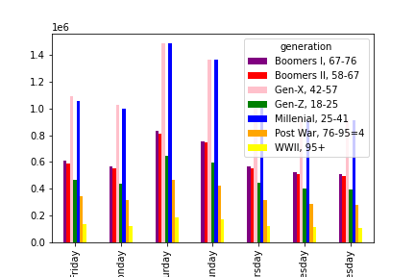
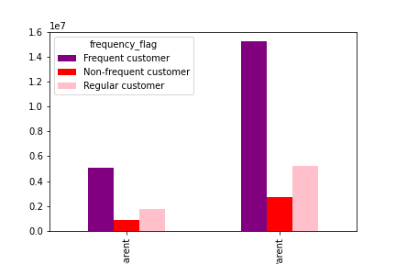

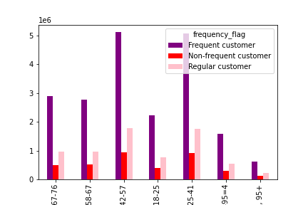

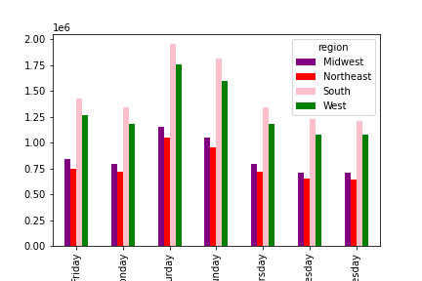

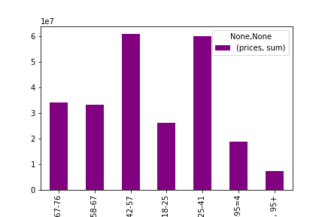

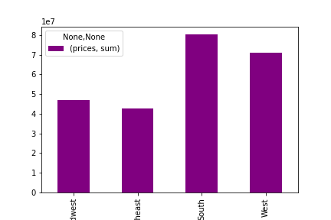

Parents have more frequent customer than non-parents

Gen-X and Millenials are the most freqent customers

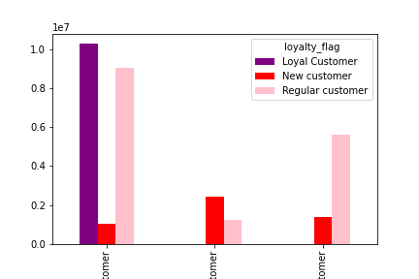
Here is a breakdown of what day of the week each generation orders from Instacart. This could help future ad campaigns to run ads on days that are slower or to market to certain generations during certain days of the week when they are online shopping.
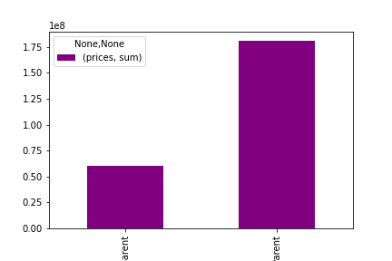

Gen-X and millensials have the highest amound of sales with the 47+ range being the lowest

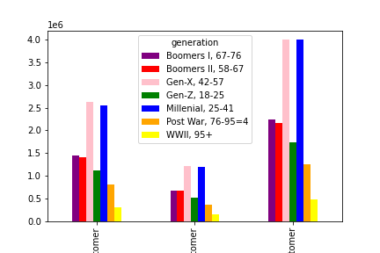
Here is a breakdown of sales by region by the day of the week. The south consistenly has the highest sales whereas the northeast has the lowest
The South accounts for the highest amount of sales and the highest average price

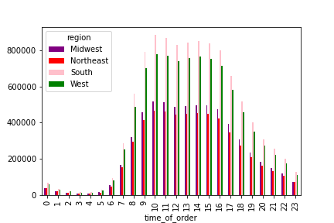
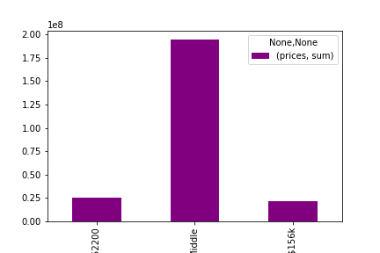
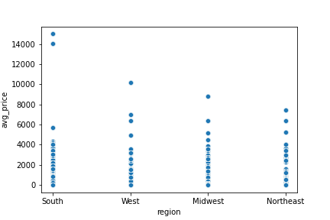

Parents make up for more sales than non-parents
Loyal customers are also frequent customers, however, regular customers are almost just much as loyal customers. Perhaps a campaign to get those regular customers to be loyal and more frequent would something to consider

The middle-class income range accounts for the highest amound of sales/orders

Here is a customer's loyalty by generation. Gen-X and Millenials have the highest amount of loyal customers whereas Gen-Z is right in the middle, however, they account for highest average price

Here is a graph of the breakdown of the time of orders by region

Citation:

“The Instacart Online Grocery Shopping Dataset 2017”, Accessed from https://www.instacart.com/datasets/grocery-shopping-2017 on November 8th, 2021.

